Pinning
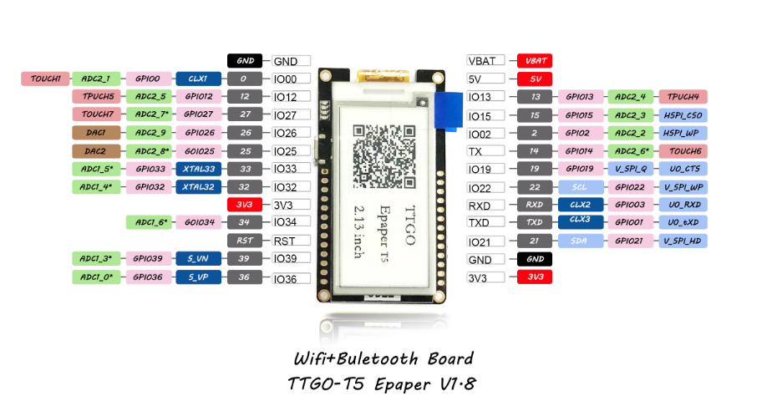
Pinning | Ulm Node | SD-Card/E-INK | TTGO T5 | Referenz Design | Already used
VBAT |  |  | no use |  |  | --LINKS--
5V |  |  | GPS Power Supply |  |  | Output | Referenz sagt
CCS811_IRQ | HSPI MOSI(NOT in USE) |  | GPIO13 |  |  | GND | -
LORA MOSI |  | GPIO15/23 | GPIO15 |  |  | GPIO00
LORA MISO | GPIO19 | GPIO02/NA | GPIO02 |  | HSPI-MISO | GPIO12 | HSPI_Q
LORA SCK | GPIO18 | GPIO14/18 | GPIO14 |  |  | GPIO27 | TOUCH7
VSPI MISO(NOT in USE) |  |  | GPIO19 |  |  | GPIO26 | ADC2
SCL |  |  | GPIO22 | I2C SCL |  | GPIO25 | ADC2
RXD |  |  | GPIO03 | UART0 RXD |  | GPIO33 | XTAL
TXD |  |  | GPIO01 | UART0 TXD |  | GPIO32 | XTAL
SDA |  |  | GPIO21 | I2C SDL |  | 3V3
GND |  |  |  | GND |  | GPIO34 | ADC2
3V3 |  |  |  | 3V3 |  | RST
 |  |  |  |  |  | GPIO39 | SensVN
LEFT SIDE |  |  |  |  |  | GPIO36 | SensVP
LORA RESET | GPIO23 |  | GPIO34 |  |  | --RECHTS---
LORA IRQ | GPIO2 | GPIO13/5 | GPIO25 |  |  | VBAT
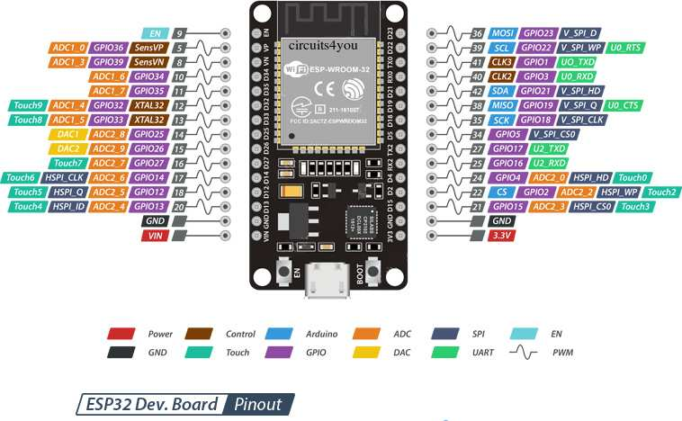
LORA CS |  |  | GPIO26 |  |  | 5V
TTL5110 Done |  |  | GPIO27 |  | HSPI-MOSI | GPIO13 | HSPI_ID
CCS811_WAKE | HSPI MISO(NOT in USE) |  | GPIO12 |  | HSPI-CS | GPIO15 | HSPI_CS0
CCS811_RESET |  |  | GPIO00 |  | SD_CARD MISO | GPIO02 | HSPI_WP
 |  |  |  |  | HSPI-CLK | GPIO14 | HSPI_CLK
 |  |  |  |  | VSPI-MISO | GPIO19 | VSPI_Q
 |  |  |  |  |  | GPIO22 | SDA or VSPI_WP
 |  |  |  |  |  | GPIO03 | RXD
 |  |  |  |  |  | GPIO01 | TXD
 |  |  |  |  |  | GPIO21 | SDA
 |  |  |  |  |  | GND
 |  |  |  |  |  | 3V3
https://github.com/lewisxhe/TTGO-EPaper-Series
https://randomnerdtutorials.com/esp32-pinout-reference-gpios/
Default
SPI | MOSI | MISO | CLK | CS | RST
VSPI | GPIO 23 | GPIO 19 | GPIO 18 | GPIO 5
HSPI | GPIO 13 | GPIO 12 | GPIO 14 | GPIO 15
EINK | GPIO 23 | N/A | GPIO 18 | GPIO 5 | GPIO 16
SD | GPIO 15 | GPIO 2 | GPIO 18/14 | GPIO 13
LORA | GPIO 15 | GPIO 2 | GPIO 14 | GPIO 26 | GPIO 34

Mechanics
